word2vec
model | word2vec | word2vec | word2vec | word2vec | word2vec | word2vec | word2vec | word2vec
fine tuning? | No | No | No | No | Yes | Yes | Yes | Yes
fine tuning dataset | No | No | No | No | GoogleNews-vectors-negative300 | GoogleNews-vectors-negative300 | GoogleNews-vectors-negative300 | GoogleNews-vectors-negative300
epoch | 25 | 25 | 25 | 20 | 20 | 25 | 25 | 25
window | 15 | 15 | 15 | 50 | default | 10 | 5 | 10
negative sampling | 5 | no | 10 | 10 | no | 5 | 10 | 10
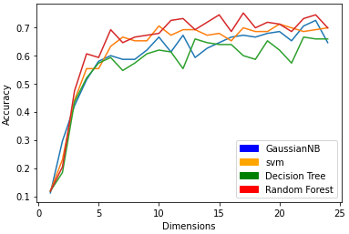
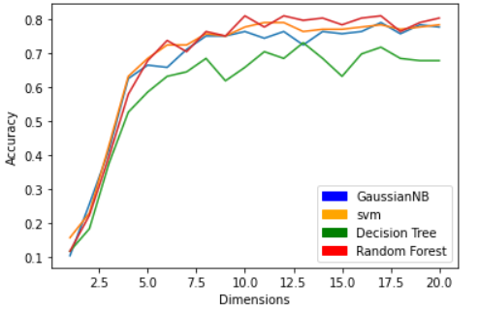
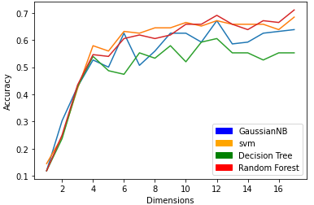
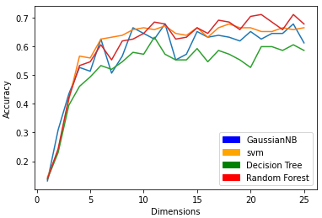
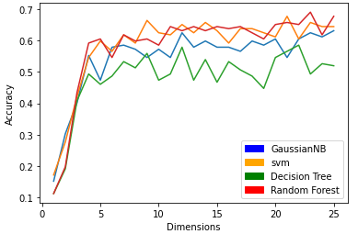
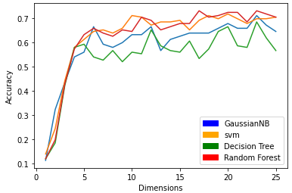
graph | 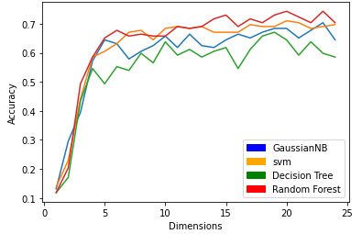 |  | 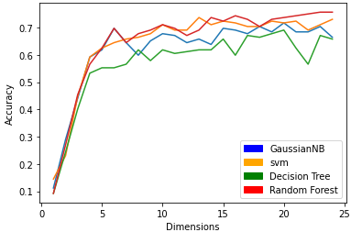 |  | 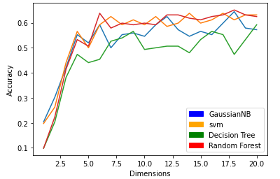

remark | seems the higher the windows, the better results | seems more flutuated without negative sampling |  | setting window numbers to around 50 reach the maximum, the larger numbers we use, the accuracy doesn't change significantly. (I tried window 100 and 150, the accuracy is convex in around 10 dimensions and get 0.8 accuracy.) | using GoogleNews-vectors-negative300 to do fine tuning seems not works, maybe because the corpus of GoogleNews doesn't contain any information of stock companies. In fact, it does contain some stock companies, but just not the specific tinkers, that's why cannot match.

fasttext
model | Fasttext
fine tuning? | No
fine tuning dataset | No
epoch | 25
window | 50
negative sampling | 10
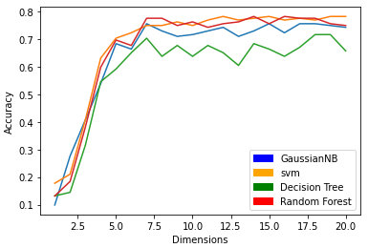
graph

remark

